Ajustada
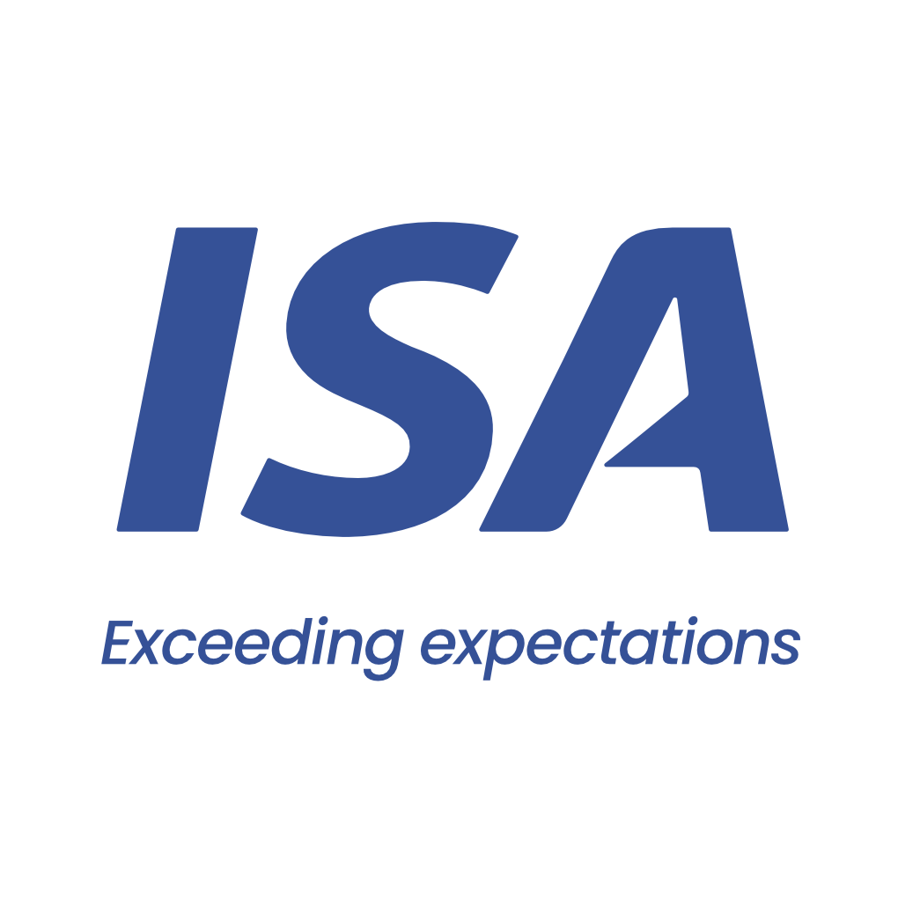

 |  |  | From 10-01-26 to 12-01-26 | From 10-01-26 to 12-01-26
 | Initial | C TRANSPORT MARITIME | Close to Real | C TRANSPORT MARITIME
VESSEL | RED AZALEA | RED AZALEA | RED AZALEA | RED AZALEA
PORT | SAN LORENZO TIMBUES | SAN LORENZO TIMBUES | SAN LORENZO TIMBUES | SAN LORENZO TIMBUES
BERTH | AGD | AGD | AGD | AGD
PERMANENCY | 2 days | 2 days | 3 days | 3 days
CURRENCY | USD | USD | USD | USD
ITEM | AMOUNT |  | AMOUNT | AMOUNT
Port dues | 14,955 |  | 22,432 |  | Comentarios:
Entrance and light dues | 1,431 |  | 1,416 |  | Port Dues base 3 días
Toll dues | 94,060 |  | 94,064 |  | Plate sale con Fondeo y 2hs de demora por marea/tráfico
River plate pilotage | 39,686 |  | 40,114 |  | Paraná entra con Fondeo
River plate pilotage (delay) |  |  | 504 |  | Paraná sale con Fondeo por marea/tráfico y 3hs de demora
River plate pilotage anchorage maneuver | 2,100 |  | 1,764 |  | Port entra con Zarpada de Rada
River parana pilotage | 43,248 |  | 43,775 |  | Port sale con pilotage
River parana pilotage (delay) |  |  | 792 |  | Completa en Bahia Blanca
River parana pilotage anchorage maneuver | 2,100 |  | 3,696 |  | Diferencia con Advance usd 70.000
Port pilotage | 11,328 |  | 13,259
Launch services for clearence at roads | 575 |  | 1,150
Mooring & unmooring services | 3,300 |  | 3,300
Custom house expenses | 200 |  | 530
Migration expenses | 1,875 |  | 1,875
Sanitary dues and free practique | 597 |  | 427
Garbage compulsory inspection | 96 |  | 90
Mandatory holds inspection at roads | 1,350 |  | 2,142
Holds cleaning expenses |  | 17,500 |  | 17,500
Boat services for embarking tools and personnel |  | 3,000 |  | 3,000
Coastguard/Custom procedures/Shore crane - stevedores |  | 350 |  | 350
Customs overtime |  | 200 |  | 400
Boat services for holds re-inspection |  | 1,500 |  | 1,500
Surveyor re-inspection |  | 2,280 |  | 2,380
Fresh water permits |  |  |  | 500
Wash water expenses (cancelled) |  |  |  | 200
Full on hire bunker survey |  |  | 870
Headclerk compulsory services | 3,060 |  | 3,306
Bank charges |  | 298 |  | 310
Agency fee | 2,000 | 1,000 | 2,000 | 1,000

TOTAL | 221,961 | 26,128 | 237,506 | 27,140

Our bank account
CITIBANK NA, NY BRANCH 111 WALL STREET / NEW YORK, 10043
ABA: 21000089 / SWIFT: CITIUS33 / ACCOUNT NO:36404074
BENEFICIARY: Independent Ship Agents SA
In order to avoid double income taxation on gross freight, which is equivalent to aproximate 3.5 pct, you must provide us with a tax affidavit. Please let us know if you need assitance on this.

Please note that this is a pro-forma disbursement account only. It is intended to be an estimate of the actual disbursement account and is for guidance purposes only. Whilst does take every care to ensure that the figures and information contained in the pro-forma disbursement account are as accurate as possible, the actual disbursement account may, and often does, for various reasons beyond our control, vary from the pro-forma disbursement account. You are required and liable to pay upon demand, the full amount described and shown in the actual disbursement account. This duty exists regardless of any difference betweeen the figures in this pro-forma disbursement account and the actual disbursement account. For the avoidance of doubt, this pro-forma disbursement account is not a contractual document.

